6mA-rice-Chen dataset
6mA-rice-Chen dataset
Source paper | Chen, W., Lv, H., Nie, F., and Lin, H. (2019). i6mA-Pred: identifying DNA N6-methyladenine sites in the rice genome. Bioinformatics. 35, 2796–2800.
Download link | http://lin-group.cn/server/i6mAPred/benchmark.zip
Organism | Rice
Level | DNA
Length | 41 bp
Positive data | 880
Negative data | 880
DL paper used this data | P2 | SNNRice6mA | 2019-10-11 | P2
 | P4 | iRicem6A-CNN | 2021-01-21
 | P7 | Deep6mA | 2021-01-18
 | P11 | A deep learning-based computational approach for discrimination of DNA N6-methyladenosine sites by fusing heterogeneous features | 2020-09-04
 | P14 | i6mA-CNN | 2021-05-14
 | P17 | 6mAPred-MSFF | 2021-08-22
 | P18 | GC6mA-Pred | 2022-01-09
 | P19 | MGF6mARice | 2022-01-15

 |  |  |  | P4
 |  |  |  | just for testing
 |  |  |  | P7

 |  |  |  | P11

 |  |  |  | P14
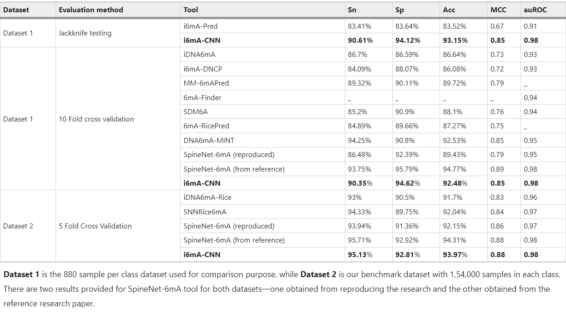

 |  |  |  | P17

 |  |  |  | P18 | just for testing
 |  |  |  | P19

A. thaliana_31874 dataset
A. thaliana_31874 dataset
Source paper | 6mAPred-MSFF
Download link | https://github.com/raozeng/6mAPred-MSFF
Organism | A. thaliana
Level | DNA
Length | 41 bp
Positive data | 15937
Negative data | 15937
DL paper used this data | P17 | 6mAPred-MSFF | 2021-08-22 | P17
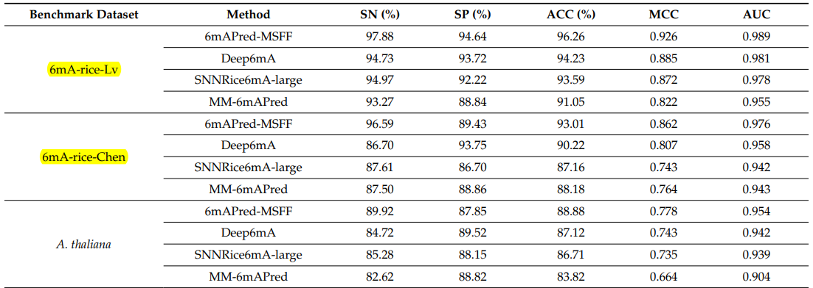
 | P19 | MGF6mARice | 2022-01-15

 |  |  |  | P19 | just for testing

D.melanogaster_22382 dataset
D.melanogaster_22382 dataset
Source paper | 6mAPred-MSFF
Download link | https://github.com/raozeng/6mAPred-MSFF
Organism | D.melanogaster
Level | DNA
Length | 41 bp
Positive data | 11191
Negative data | 11191
DL paper used this data | P17 | 6mAPred-MSFF | 2021-08-22 | P17
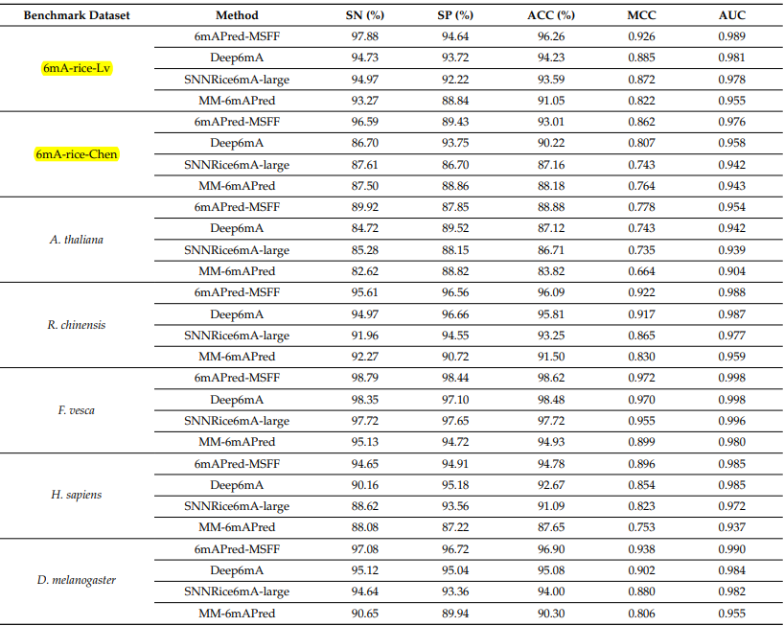
 | P19 | MGF6mARice | 2022-01-15

 |  |  |  | P19 | just for testing

R. chinensis_23630 dataset
R. chinensis_23630 dataset
Source paper | 6mAPred-MSFF
Download link | https://github.com/raozeng/6mAPred-MSFF
Organism | R. chinensis
Level | DNA
Length | 41 bp
Positive data | 11815
Negative data | 11815
DL paper used this data | P17 | 6mAPred-MSFF | 2021-08-22 | P17
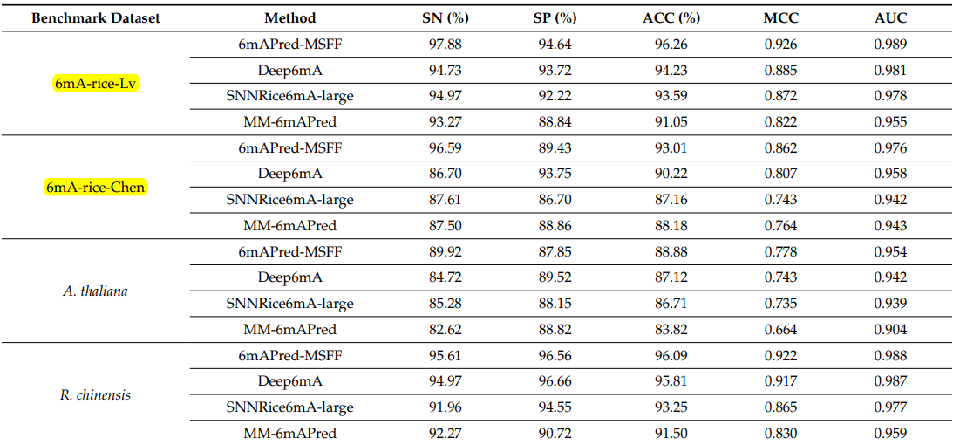
 | P19 | MGF6mARice | 2022-01-15

 |  |  |  | P19 | just for testing

